Dashboard 3


60
Planets
87
Characters
37
Species


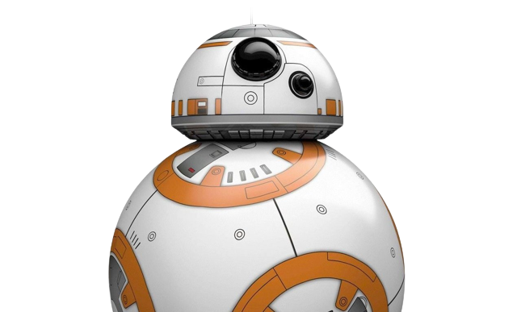
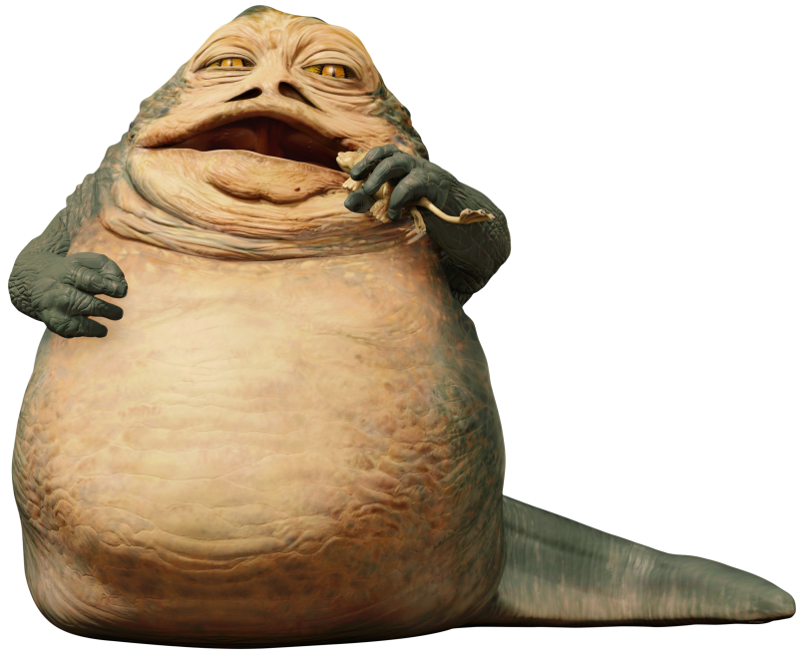


Gender Distribution across the Galaxy
 | Total
female | 19
hermaphrodite | 1
male | 62
none | 5

Most Populated Planets
 | Total
Coruscant | 1,000,000,000,000.00
Skako | 500,000,000,000.00
Geonosis | 100,000,000,000.00
Concord Dawn | 28,055,761,189.00
Aleen Minor | 28,055,761,189.00
Coruscant is the most populated planet in the Universe

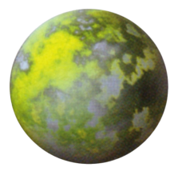

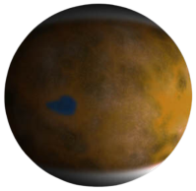

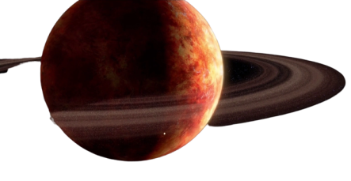

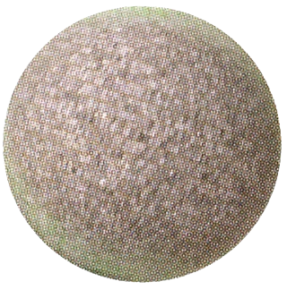

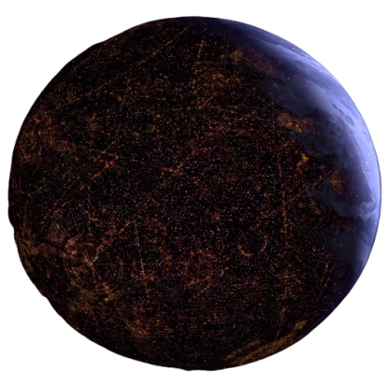

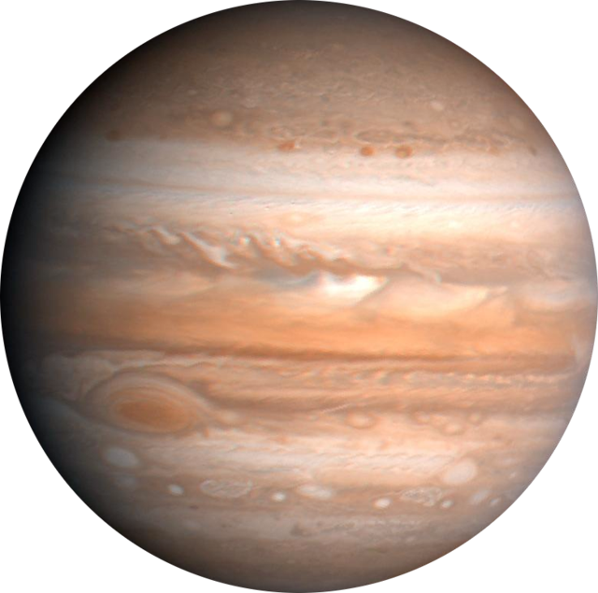
Largest Planets by Diameter
 | Total
Bespin | 118000
Kamino | 19720
Malastare | 18880
Glee Anselm | 15600
Saleucami | 14920
Vulpter | 14900
Ord Mantell | 14050
Kalee | 13850
Muunilinst | 13800
Chandrila | 13500
Bespin is the Largest Planet with a Diameter of 118,000 km

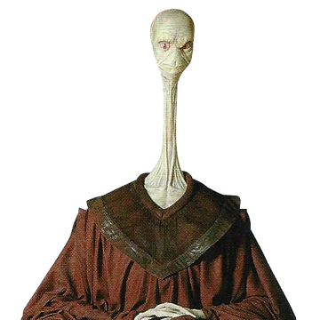
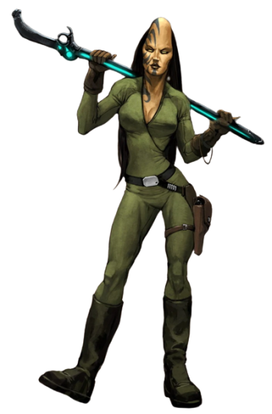
Tallest Species
 | Total
Hutt | 300
Quermian | 240
Kaminoan | 220
Wookiee | 210
Cerean | 200

